FUNFitness
Equipment and Supply List 2023
Use this list to calculate your supplies cost for your discipline. Unused, non-disposable items should be collected at the end of the event and stored under lock and key to support future events. When filling this information out for future events, conduct an inventory to determine what items you will or will need to obtain for your next event. Contact FUNFitness Practice Manager for additional Guidance
FUNfitness
Standard Supply Item | Example Picture | Recommendations/ Comments | Quantity Advised | Available From | Estimated Cost
Signage & Forms/Prinatble Materials
Banners - FUNFitness |  | ensure proper branding (including program name and sponsors) - check with FUNFitness manager | 2 | horizonal banner may be available from SOI OR local printing required Found in Branding Link on SOI FUNfitness Resources Website | varies for location & type
FUNfitness station signs (1/station) | varies | to ensure propr indication and flow of screening for althetes and where to go next | 1 per station | Local Printing Required Found in Branding Link on SOI FUNfitness Resources Website | varies
CHECK IN
FLEXIBILITY
STRENGTH
BALANCE
AEROBIC FITNESS
DATA REVIEW
EDUCATION
CHECK OUT
HAS Form (if not using tablets) |  | used to record data for athelete through each station; | 1 per athlete | Local Printing Required Found on SOI HAS Resources Website under FUNfitness | varies for local printing and quantity
Test Procedure Instructions | See FUNfitness Event Reference Guide | This gives instructions for volunteers at each station | 1 per station | Local Prinitng Required Found within Manuals & Guides Section of SOI FUNFitness Resources Website
O2 Saturation Decision Tree | 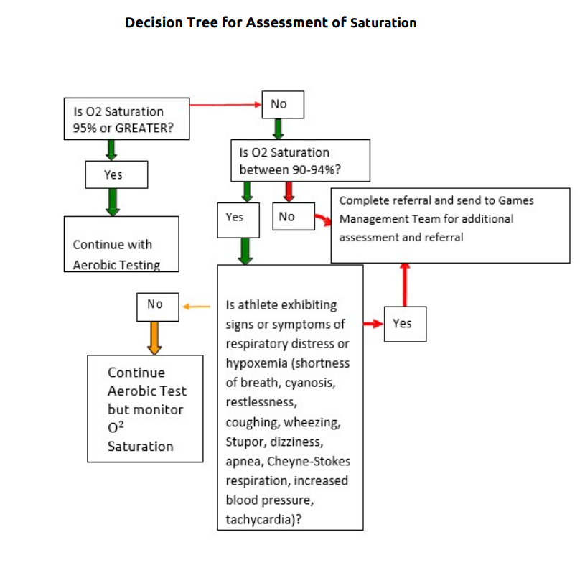 | Required for ability of athele to proceede during aerobic station | 6 | Local Printing Required Found in Additional Resources Section of SOI FUNFitness Resources Website
Hand Grip 10th Percentile Cutoff Reference Sheet | 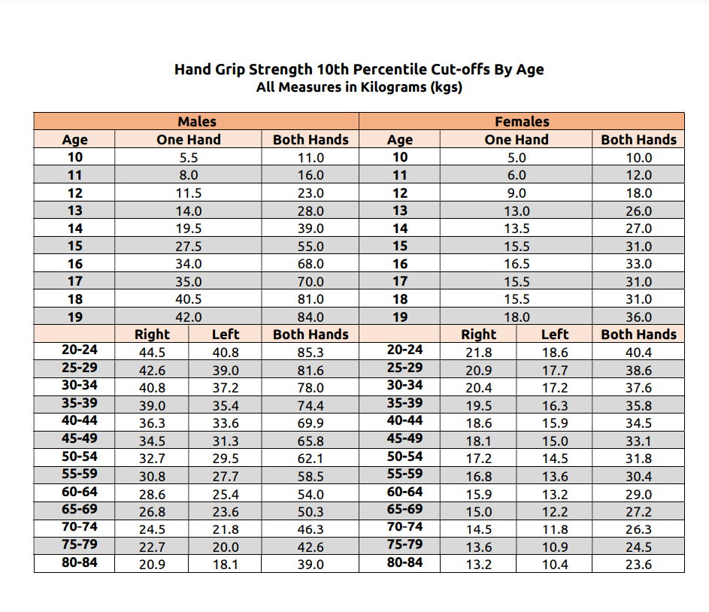 | provides scoring assistance for strength section | 2 | Local Printing Required Found in Additional Resources Section on SOI FUNFitness Resources Website
Athlete Fitness Scorecards/Referrals (booklets) |  | provides results to athletes with information on exercises and next steps including reccommended referals. | 1 per athlete | Local Printing Required Found in Education Section of SOI FUNFitness Resources Website

Screening Station Supplies
Straight Back Chairs |  | need stable chairs for waiting area, check in/out and stations | 60 - 70 | Contact Health Program Manager to procure from venue
Tables |  | Utilized for check in, check out, data review, stations amount may vary based on use of mat table availability | 183cm (6ft) tables - 8 | Contact Health Program Manager to procure from venue
Table Cloths |  | used to cover tables in various tables at stations | based on table # | local store/online (e.g amazon) | varies
Mat Tables |  | used for flexibility station - (sturdy enough to hold weight of athletes) | 4 | perfromance health local store/online (e.g amazon) | varies
Mats (suggest roll up yoga mats) |  | to use if tables not padded & to use on floor for flexibility, strength and education stations | 4-8 pending use on table | local store/online (e.g amazon) | varies
Tri-Fold Mat |  | OPTIONAL: can be used if opt for education and strength stations | 3-4 for each station applicable | Item #081041714 Performance Health local store/online (e.g amazon) | 261.42 (PH) or varies
Partitions |  | ONLY required used if venue does not have walls for functional reach and 2 minute step test can be used to separate stations if desired | 1-2 (use both sides) | local store/online (e.g amazon) | varies
Stopwatches |  | used for balance, aerobic and strength station testing | 12 total (3-4 per identified station) | local store/online (e.g amazon) | varies
Tally Coutners |  | used to count reps at balance,aerobic and strength testing | 6 | local store/online (e.g amazon) | varies
Hard Foam/wood (for chair for TUG) |  | used for STS test to ensure proper stating positon for STS/TUG | 2 per station (strength & balance) | local store/online (e.g amazon) | varies
Blindfolds (for balance testing) |  | used for balance testing if athelete unable to close eyes | 2 | local store/online (e.g amazon) | varies
Tape Measures |  | used for balance & flexibility station/aerobic if doing 5 minute wheel test | 2-3 either retractable or paper | local store/online (e.g amazon) | varies

Pluse oximeter |  | used for aerobic section | 6 | performance health local store/online (e.g amazon) | varies
Smedley Digital Hand grip dynamometers |  | used for strength station | 2 | perfromance health - # 563215 local store/online (e.g amazon) | varies
Resistance Band 50 yd Roll level 2 & 3 (latex free) |  | used to give out at education section for exercises for home | level 2 - 1 roll per 50 atheletes | performance health #561316 local store/online (e.g amazon) | varies based on # of rolls
 |  |  | level 3 - 1 roll per 50 athelets | performenace health #561317 local store/online (e.g amazon)
Push up blocks |  | used for strength station | 3 | online (e.g amazon) | varies
Stools or Wedges |  | to go under knees for sit up test in strength station | 3 | local store/online (e.g amazon) | varies
Goniometers (large & Small) |  | used for flexibility station | 4 each | performance health (large #7514; small # 7512) online (e.g amazon) | varies

General Supplies
Office supplies | suggest having 1 kit of all supplies in box so easy to use from event to event |  |  | local store/online (e.g amazon) | varies
pens/pencils (only needed if no tablet) |  | used to fill out forms (athletes and volunteers) | 24
clipboards (only needed if no tablet) |  | for volunteers/atheletes to complete HAS | 20 per 100 atheletes
stapler & staples / paper clips |  | to complie all education material for athlete | 1 per education material
tape (packing,masking, ducktape) |  | for hanging signs/packing boxes | 2 roll each
heavy string or zip ties |  | for hanging signs | 1 roll / box
scissors |  | cutting tape and prep of day and 1 for education section for theraband | 2 pair
Hand Santitizer |  | help with hand hygeine between volunteers and atheletes and between stations | 8 ( at least 1 at each station) | local store/online (e.g amazon) | varies
Disenfectent Wipes |  | used to clean materials/equipments | 7 (1-2/station)
Trash Bags |  | clean up and for waste during screenings | 1-2 per station
Storage Box |  | store and maintain forms for data collection (only if not using live entry) | 1
Name Badges/Tags | to provide volunteers for day of operations |  | 1 per volunteer

Athlete Educational Giveaway Items These are examples. Work with local companies to see what you might be able to get donated.
Waterbottles |  | these are examples of options that can be used but non exhaustive | at least 1 giveaway per athlete | often donated from local groups or get from local stores | varies
Hats
Stretch straps
cold packs
squeeze balls

Special Smiles C
Number of Athletes ? | 100 | Special Smiles Resources Page | US Healthy Athletes HS Portal | Outside US Healthy Athletes HS Portal | Healthy Anthletes Systems Page
Equipment and Supply List 2023
Use this list to guide you on your next Special Smiles Screning. You can use this to calculate your supplies cost for your discipline. Unused, non-disposable items should be collected at the end of the event and stored under lock and key to support future events. When filling this information out for future events, conduct an inventory to determine what items you will or will need to obtain for your next event. Check out our Special Smile Resource Page: Use this list to guide you on your next Special Smiles Screning. You can use this to calculate your supplies cost for your discipline. Unused, non-disposable items should be collected at the end of the event and stored under lock and key to support future events. When filling this information out for future events, conduct an inventory to determine what items you will or will need to obtain for your next event. Check out our Special Smile Resource Page: https://resources.specialolympics.org/health/special-smiles?locale=en and/or Contact Special Smiles at for mor guidance.
Special Smiles Printed Materials
Standard Supply Item | Example Picture | Recommendations/Comments | Quantity Advised | Available From | Estimated Cost
Clinical Directors Training Manual and Handbook* |  | Keep a few out as a reference..Consider printing pages 17-36 for your Screeners as an onsight reference and page 47 Tracking Volunteers | 1 per screener | Special Smiles Resource Page | Varies
Oral Health Fact Sheets* |  | Consider Using this durring your Trainings to help volunteers see the value of what they are doing for each athlete and athletes and non athletes of the future | 1 per station | Special Smiles Global Fact Sheet | Varies | varies
HAS Form PDF* |  | Consider using this during trainings, and having a copy or two available day of .......Corrections: Make sure this matches what is online, and that it is digital version | 1 per screener | HAS Form PDF | Varies | varies
Has Screening Manuel* | 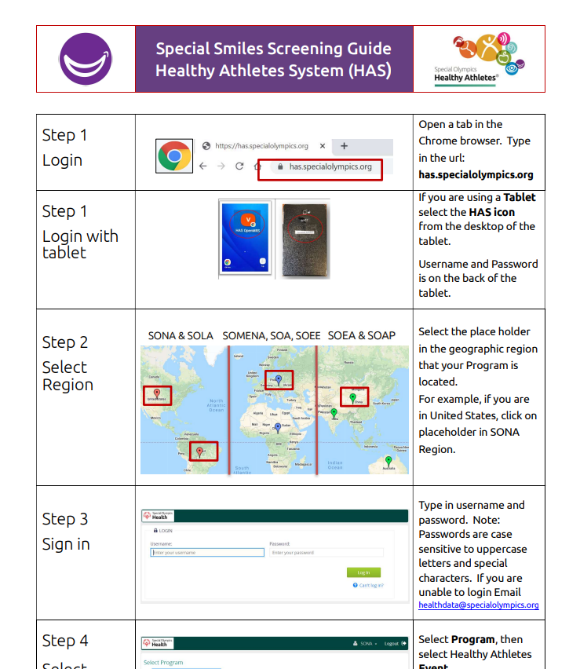 | Station designation does not reflect clinical station designation (shown here) | 1 per screener | Special Smiles Screening Guide HAS | Varies | varies
Tablet Trouble Shooting Guide |  |  | 1 per Screener | Tablet Trouble Shooting | Varies | varies
List of Sports for Athlete to identify participating this game, and In general * | 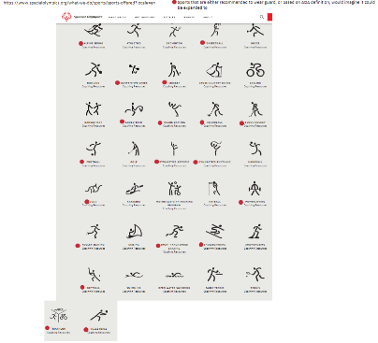 | If providing mouthguards considering identifying which sports each athlete is in, so screener can determine if mouthguard station is indicated. Provided at Check in or Screening | 1 per athlete | Put into a Hyperlink
Referral Sheet/ Report Card | 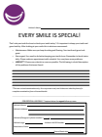 | Check Out Station | 1 per athlete | Special Smiles Report Card and Referral Sheet
Report Card |  |  | 1 per athlete | Special Smiles Report Card and Referral Sheet
Practical Oral Care for People With Developmental Disabilities |  | To be reviewed prior to engaging with athletes | 1 per volunteer | Practical Oral Care for People with Developmental Disabilites
Care Givers Guide to Oral Health |  | OHI Station | 1 per athlete | Caregivers Guide to Good Oral Health
Overview of Oral Health and the Body Handout |  | OHI Station | 1 per Athlete | Handout of Overview of Oral Health and the Body
Site Map with Flow Expectation* | 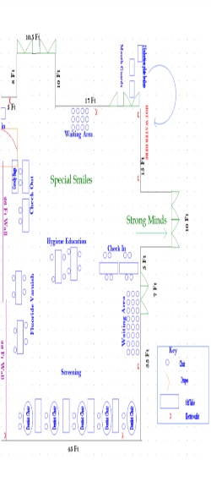 | This is something the CD should create and share with Volunteers. Likely taken from the video. Find it add station Numbers make it a PDF and link it Consider reffering to dental stations with letters, so not confusing with HAS nomenclature. | 1 per Runner and 1 per station | Put into a Hyperlink
Setting Up Tablet for Wifi | 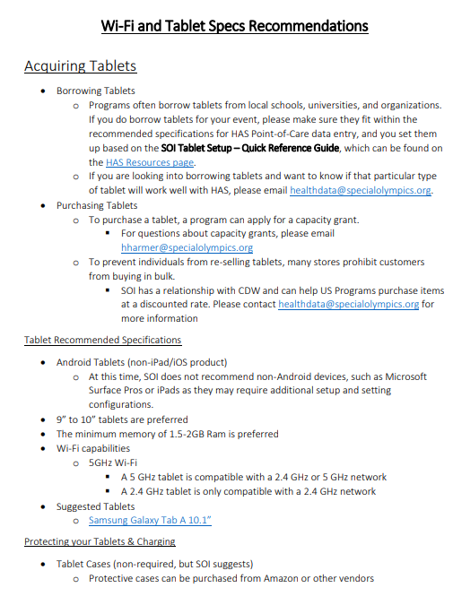 |  | 1 per check in staff | Setting up A Tablet for Wifi | Varies | varies

Special Smiles Station 1: Check In |  |  |  |  |  | varies
How many Station 1 Volunteers: (Consider 1 check in volunteer per 50 athlete and having volunteers assigned as runners. Runners suggestions are as follows: 1)Check In/Waiting area, 2) Waiting Area/Screening Area, 3)Mouthguard, 4) OHI, 5)Varnish, 6) Check Out) |  | Station 1 Athletes:
Special Smiles
Standard Supply Item | Example Picture | Recommendations/Comments | Quantity Advised | Available From | Estimated Cost
Tablets |  | Recomendation is 12 per 100 athletes minimum. Athletes will be logged in, and travel with tablet. Projection of active tablets on clinical floor at any given time for 100 athlete event: 2 Check In, 4 Screening, 4 Varnish, 2 OHI, 2 in check out. Note: Mouth Guard Station not accounted for! OHI may end up with 4. Thus Maxium (16/100) is as follow: 2 Check in, 4 screening, 4 varnish, 4 OHI, 2 Check Out, 2 MouthGuards | 12
Power Source |  | Extension Cord that allows Tablets to be charged. This would be the site for most tablets. Should have enough plug in spots for half of all tablets | 6
Charging cords |  | Cords that come with tablets for charging | 12
Tables |  | There should be a long table per 2 check in attendants | 0
Chairs |  | 4 chairs per table | 0
Pens |  | 1 box (about 20)
Clip boards |  | 2-3 Clip boards per Check in volunteer | 0
Box for Athlete Forms |  | 1 box per 50 athletes | 0
Stapler (and staples) |  | 1 per check in table | 0
HSI Earloop Mask L1 |  | Pick one of the mask in this section for check in volunteers and runners. Anticipate around 3 mask per volunteer. Comes in 50/box | 0 | Henry Schein, General: 1043809 | $9.99
Maxima Earloop Mask L3 |  | Pick one of the mask in this section for check in volunteers and runners. Anticipate around 3 mask per volunteer | 0 | Henry Schein, General: 5702044 | $12.99
Hand Sanitizer |  | 1-2 per check in table. This will be used for the athlete and the check in volunteer | 0 | Henry Schein, General: 5900066 | $6.79
Kit First Aid Each |  | 1 per event | 1 | Henry Schein, General: 6835825 | $104.99
Wipes Pop-Up Container 150/Each |  | 1 for the station | 1 | Henry Schein, General: 1044176 | $14.99
Print Out of Athlete Package: List of Sports, Report Card/Referral Sheet |  | 1 per Athlete. Stapled and passed along with the runner or athlete to screeners at stations | 0 | See the printed section

Special Smiles Station 2: Waiting Area
How many Station 2 Volunteers: 1 |  | Station 1 Athletes (imaging you will have 20% of your total in your waiting area at any given time):
Special Smiles
Standard Supply Item | Example Picture | Recommendations/Comments | Quantity Advised | Available From | Estimated Cost
...

Opening Eyes
Equipment and Supply List 2025-2026
Use this list to calculate your supply cost for your discipline. Unused, non-disposable items should be collected at the end of the event and stored in a climate controled environment to support future events. Conduct an inventory at the culmination of the screening to determine what items you will or will need to obtain for your next event. Contact Opening Eyes Program Manager for additional Guidance
Opening Eyes
Standard Supply Item | Example Picture | Recommendations/ Comments | Quantity Advised | Available From | Estimated Cost
Signage, Clinical Supplies & Forms
Opening Eyes Horizontal Program Banner REQUIRED |  | Ensure proper branding (including program name, sponsors already included) see branding guidelines ROLL BANNERS & STORE IN TUBE, DO NOT FOLD | 2 | Source locally or CSM, see Health Branding for Guidance | varies for location <$50; see clips below for hanging on front of tables
Opening Eyes Vertical Banner REQUIRED |  | Vertical Banner for venue location identification | 1 | Source locally or CSM, see Health Branding for Guidance | <$150
Opening Eyes T -Shirt - Required | 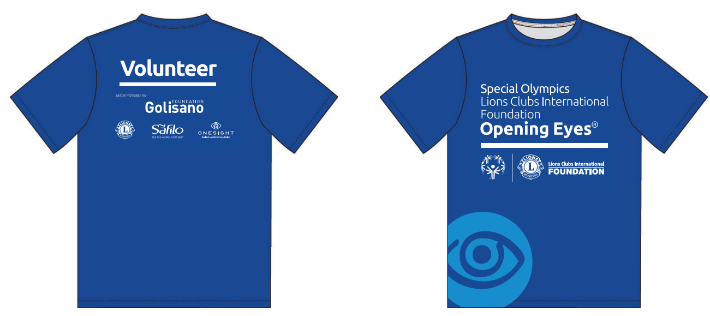 | 1 per volunteer & Clinical Director | 1 | Source locally, continental US can source from CSM - see resource page for details, Kathy Gilmore 407-786-1999 | kathy@csmpromotion.com | https://www.sagemember.com/sm.dll/Settings?Pg=WEShowrooms&UID=8580 | $6.81 (varies depending on geographical location) source locally outside the continential U.S.
Opening Eyes Clinical Director Polo | 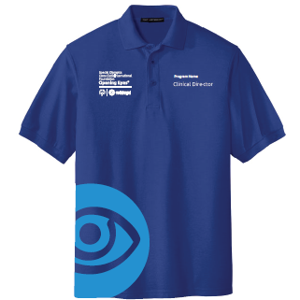 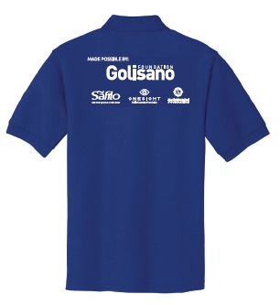 | 1 per Clinical Director; optional if program prefers CDs to wear polos all volunteers must wear a branded shirt to showcase OE global partners, can be customized with program name | 1 | Source locally, continental US can source from CSM - see resource page for details, Kathy Gilmore 407-786-1999 | kathy@csmpromotion.com | https://www.sagemember.com/sm.dll/Settings?Pg=WEShowrooms&UID=8580 | $25 (may vary on geographical location) source locally outside the continential U.S.
Station Signage 1-14 | 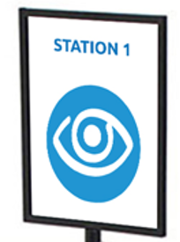 | Ensure proper station identification and athleete screening flow Easel signage recommendation 24"x36" Floor signage, adjustable height 56"-104" | 1 per station | For US programs, can be sourced locally or through CSM; for global programs source locally / Continental US can source from CSM - see resource page for details, Kathy Gilmore 407-786-1999 | kathy@csmpromotion.com | https://www.sagemember.com/sm.dll/Settings?Pg=WEShowrooms&UID=8580 | Easel signage $17 ea. sign only --- Floor stand signage $35 ea.

Distance Lea Chart |  | Distance VA & Refraction stations; Keep supplies in a climate controlled environment to maintain quality & integrity | 1 per D VA; 1 per Refraction Lane | OE PNF for Lea Chart; Occluders source locally or can use index cards if necessary
Near Lea Chart |  | Keep supplies in a climate controlled environment to maintain quality & integrity; ensure near VA card has measuring cord | 1 per D VA lane; one per refraction lane; 2-3 per N Va station | Opening Eyes PNF (Product Needs Form)
Lensometer |  | Manual/Auto-lensometer | 1 to 2 | CD Source Locally
Stereo Pass Test | 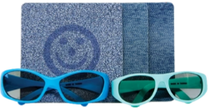 | Keep supplies in a climate controlled environment to maintain quality & integrity, if the environment is not climate controlled 24/7, please refridgerate tiles | 2 to 3 | Opening Eyes PNF (Product Needs Form)
Autorefractor | 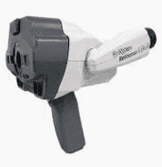 | Autorefraction Station, hand held Retinomax prefered, available through SOI; source tabletop model locally through CD | 1 to 2 | Opening Eyes PNF (Product Needs Form)
Tonometer | 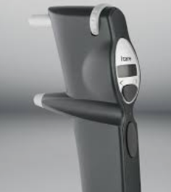 | Introcular Pressure (IOP), hand held Icare available through SOI; tabletop NCT model souce locally through CD | 1 to 2 | Opening Eyes PNF (Product Needs Form)
Icare Probes | 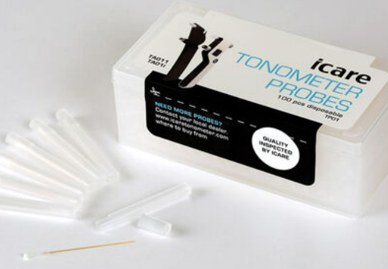 | 100 probes per box Please order only what is needed | 1 box per 100 screenings | Opening Eyes PNF (Product Needs Form)
Slit Lamp |  | Internal & External Stations, handheld slit lamps available through SOI, desktop models & panoptic ophthalmoscope source locally through CD | 1 to 2 per Internal & External Eye Health station, depending on screening size | Opening Eyes PNF (Product Needs Form)
Volk 90 Lens/Volk 20 Lens |  | Internal Eye Health | 1 to 2 | CD Source Locally
Cover Test/Pupils |  | Occuluders, penlights, finger puppets, wall target needed for Cover test. | varies depending on size of venue/# of screenings | Source Locally
Phoropter | 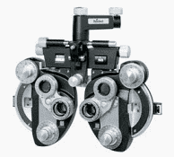 | Refraction | 2 to 3 | CD Source Locally
Phoropter Stand |  | Refraction if Clinician uses phoropters; if Clinician uses trial lens set, stand is not needed | 1 per refraction lane if using phoropters; 1 phoropter stand available through HAG application US programs only, see SONA RHM for details | Opening Eyes PNF (Product Needs Form)
Trial Lens Set w/trial frames | 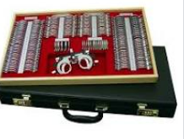 | Retinoscopy & Refraction | 1 per lane | CD Source Locally
Prism Bars/Sciascopy Bars |  | Retinoscopy/Refraction/Cover Test Stations | 1 set per refraction lane | CD Source Locally
Ophthalmoscopes & Retinoscopes |  | Retinoscopy & Refraction/Internal, charging stations and/or batteries | 1 retinoscope per refraction lane, 1 ophthalmoscope per CD in Internal station/Panoptics | CD Source Locally
Fundus Camera (Optional) | 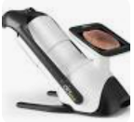 | Retinal Imaging (Internal Eye Health) | Optional | CD Source Locally, if accessible
Pupilometer | 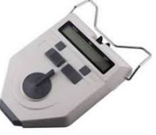 | Eyewear Fit & Dispense | 2+ | CD Source Locally
PD Rulers |  | Eyewear Fit & Dispense | 6 | CD Source Locally or amazon
Lens Marking Pens |  | Used in eyewear fitting station & on-site edging, fitting heights & lens marking | 6 | Amazon; CDs
Eyewear Dispensing Tools |  | Eyewear Fit & Dispense Station; Frame warmer, adjusting tools, frame trays, screws, mirrors, Lens clock | 1 frame warmer, 24 frame trays | CD Source Locally
Contact Lens Solution/Case |  | For athletes to remove contact lenses | 1 bottle per event, 1 dozen contact lens cases | source locally
Eyewear Cases | 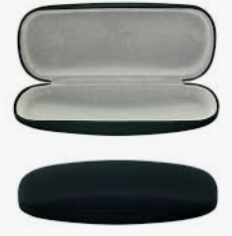 | Fit & Dispense, Large & Small Cases | 50+ Large, 50+ Small | Opening Eyes PNF (Product Needs Form)
Laptop, Printers & Wi-Fi | 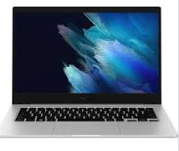 | Eyewear Data Entry - On-line Prescription Lens Ordering | 2+ Laptops, Wireless Printers, Wi-Fi can be sourced from educational institution, or hot spot | Source Locally, Local U.S. Programs/grant eligible
Pipe & Drape |  | Darken Area/Internal Clinical Station, top and front may be needed depending on venue lighting: Required --- Use as dividers for Refraction/DVA, no front panel may need back depending on venue | varies depending on size of venue/# of screenings---Internal eye health station required a box, DVA & refractions requires lanes | Rent locally or program can purchase independently (not HAG approved)
Eyewear |  | Dress Eyewear Frames, Plano Sunglasses, Sport Goggles, Specs4Us, Swim Goggles available through PNF; do not accept outside donations. Products are for Athletes Only | Athletes receive Rx dress eyewear when RX indicated. Athletes who do not need a RX will receive plano sunglasses, plano sunglasses are not given out when an RX is presented. Athletes receive sport goggles when participating in SO contact sport. Unified partners, eligible for screening only & do not receive products. | OE PNF, Safilo frames, Liberty Sport Goggles, & Specs4us are the only approved products. Do not accept outside donated frames. Exceptions made with prior authorization.
Edger/Blocking system/blocks/blocking pads/de-blocker/hand edger/lenses/5 gallon bucket & Technician; dotting pens/china markers |  | Optional: For on-site edging when available; can source locally | For on-site edging can source edger/Tech locally, Santinelli/Essilor Instruments Tech will need Optician/optical Tech to assist. | Stock lens request must be placed minimun one (1) month in advance of delivery date for event. Access form through resources on Changing Life Through Lenses portal. No paper orders accepted.
Tickets, post-its, container/box |  | To ID which athletes receive plano sunglasses and to keep track of sunglasses, post-its for Refraction station, numbered to assign athlete turn order | depends on screening numbers | Varies
Eyewear Sanitization UV-C Sterilizer Ultra-Sonic Cleaner Hydrogen Peroxide/Dish Soap & Water Isopropyl Alcohol |  | If Using ISOPROPYL ALCOHOL (60%) Use on a cotton pad, or as a disinfectant wipe Use sparingly on plastics. If using it on a frame multiple times a day the material can dry out and eventually turn white Polish frame with a dry, clean microfiber cloth if necessary | depends on screening # | local store/online (e.g amazon)
HAS 2.0 Screening Form (if not using tablets) | 2.0 image available soon | 1.0 HAS Form currently available through link | 1 HAS form per athlete | Healthy Athletes System
Insurance & Hold Harmless Agreement |  | Completion Required each day of event | varies depending on # of volunteers | Hold Harmless Form
Vision Report Card | 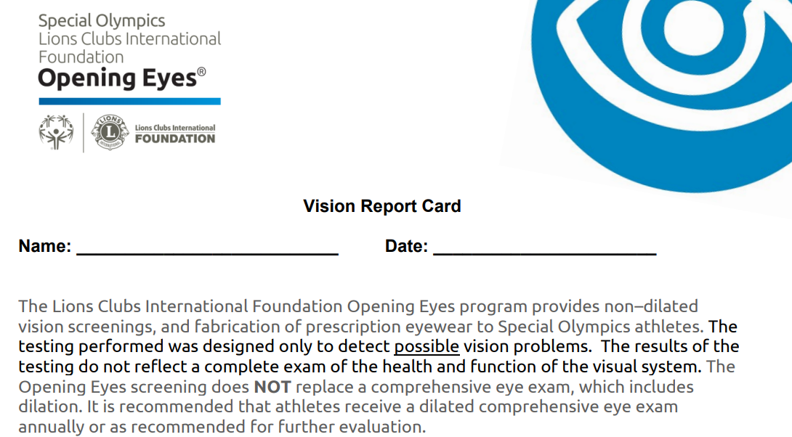 | One Pager | 1 per athlete | Vision Report Card
Congratultions on your new Glasses | 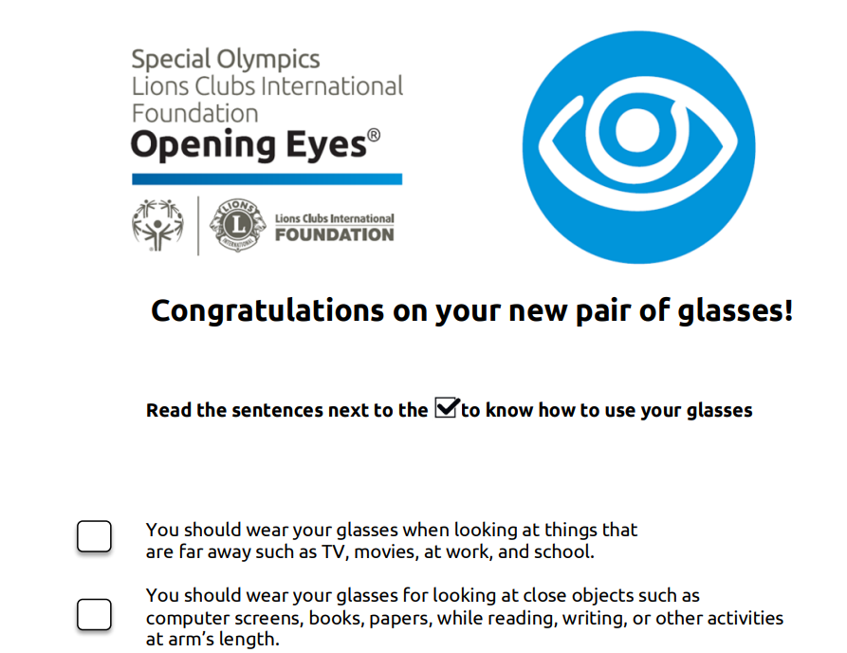 | New Glasses Form | 1 per athlete | Congratulation on your new glasses
Products Needs Form (PNF) Link |  | Link to request Opening Eyes event equipment and/or supplies | PNF Required: US 60 Days prior to event; non-US event required to submit 90 days in advance of event | Opening Eyes PNF (Product Needs Form)
Post Event Data Evaluation Link |  | Link to report Opening Eyes post event data | Required to submit within two weeks of event completion | Opening Eyes Event Evaluation
 |  | Use as lane dividers for Refraction/DVA lanes |  | https://app.smartsheet.com/b/form/731dd0fed0174ddaa2750f362967d1a5
 |  |  |  | Data Evaluation:
 |  |  |  | Link for CDs: Post event evaluation form: https://app.smartsheet.com/b/form/a0648245f6114c5f8e34ac9971d7acea
...
General Supplies
Screening Station Supplies
Straight Back Chairs |  | need stable chairs for waiting area, check in/out and stations | 35 per 80 athletes | Contact Health Program Manager to procure from venue
Tables |  | Utilized for check in, check out, data review, stations amount may vary based on use of mat table availability | 183cm (6ft) tables - 12 per 80 athletes | Contact Health Program Manager to procure from venue
Chair on wheels |  | Retinoscopy & Refraction lanes, optional | varies | borrow or source locally
Table Cloths (Branded optional) |  | Generic table cloths used to cover tables; Branded table cloths used for Check In station table, and eyewear fitting & dispense table. | based on table #; branded table cloths should only be used for Check In and eyewear fitting & dispense station. | local store/online (e.g amazon) Branded can be sourced from CSM 407-786-1999 | kathy@csmpromotion.com | | varies for generic/$62.45 for branded
Table Cloth Clips (velcro) |  | used to hang horizontal banner in front of table if unable to hang banner in venue. Will need | 1 set | Amazon, CSM | $12-$15
Velcro (Optional) |  | If hanging banners on tables; Hook & Loop Tape Sticky Back, 3 in. x 4 in. Double-sided Adhesive Strip, Heavy Duty, White | 1 set of 16 | Amazon | $6.00
Lamps |  | Illumination for Lea Charts, clinician in refracting station; near & stereo station | varies on venue lighting | local store/online (e.g amazon) | varies
Miscellaneous Signage (optional/only if necessary) |  | Optional signage for outdoor events, 9ft feather flag kit | 1 For outdoor events only to identify OE Tent | Local or can be sourced from CSM 407-786-1999 | kathy@csmpromotion.com | | $90.00
Miscellaneous Signage (optional/only if necessary) Floor Decals |  | For directional use only, Adhesive 12" round reusable | Max. 20 | local or CSM | $5.97 each
Miscellaneous Signage (if necessary) for directional use | 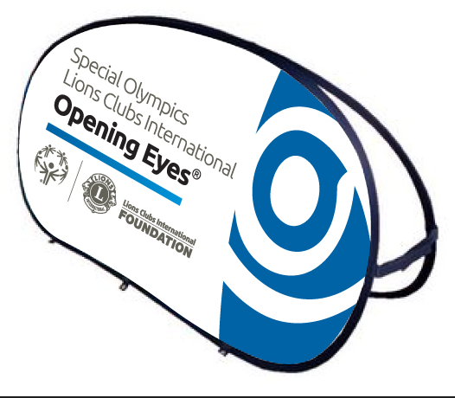 | For directional use only | One only | local or CSM | 51" W x 26" H $199.00 24" w x 36" H $143.00
Electrical Supplies
Electrical power cords |  | power clinical equipment, lamps, laptops, printers, charging tablets. Please refer to 2024 floor plan for reference for stations that require electricity. | different sizes, with safety (orange) for outdoor use (depends on room layout) 4 x 3 meters / 10 ft and 4 x 5 meters / 16 feet | online (e.g amazon) | varies
Power strips with 4 to 6 grounded receptacles preferable with on-off switch |  | For stations requiring power, Please refer to 2024 floor plan for reference for stations that require electricity. | varies | online (e.g amazon) | varies
 |  | Misc. Giveaways
Eyewear Strap (Branded) | 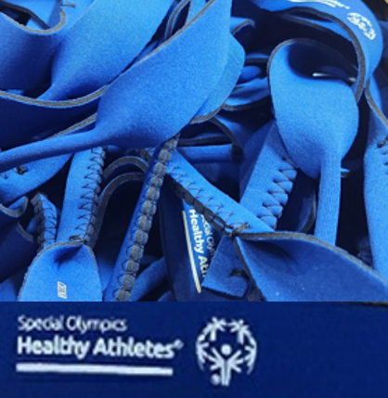 | Optional for athletes going through Opening Eyes Screening, quantities are limited |  | requested through PNF | n/c

Strong Minds
Equipment and Supply List 2023
Use this list to calculate your supplies cost for your discipline. Unused, non-disposable items should be collected at the end of the event and stored under lock and key to support future events. When filling this information out for future events, conduct an inventory to determine what items you will or will need to obtain for your next event. Contact Strong Minds Practice Manager for additional Guidance
Strong Minds
Standard Supply Item | Example Picture | Recommendations/ Comments | Quantity Advised | Available From | Estimated Cost
Clinical Supplies
Stress Balls |  | Stress & You Station | 1 per athlete | https://app.smartsheet.com/b/form/d36042c785404d7e9a46c05735fa4136; Kathy@csmproductions.com | Source locally /PNF avalible for US Only, branded ($.99)
Pinwheel | 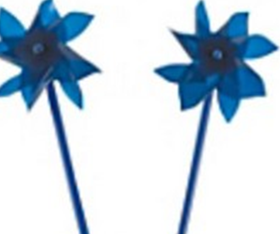 | Strong Breathing Station | 1 per athlete | https://app.smartsheet.com/b/form/d36042c785404d7e9a46c05735fa4136; Kathy@csmproductions.com | Source locally /PNF avalible for US Only ($1.30 assembled & branded)
Wristband |  | Strong Supporting Station | 2 per athlete | https://app.smartsheet.com/b/form/d36042c785404d7e9a46c05735fa4136; Kathy@csmproductions.com | Source locally /PNF avalible for US Only, branded ($0.32)
Yoga Mats | 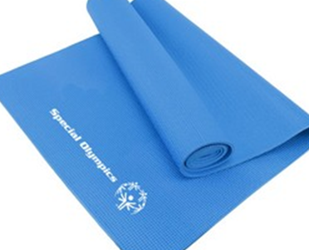 | Strong Stretching Station | 5 to 10 | Kathy@csmproductions.com | Source locally, for US can use csm ($12)
Stretch Out Straps (avoid resistance bands) |  | Strong Stretching Station | 5 to 10 | Amazon; Kathy@csmproductions.com | Source locally, for US can use csm ($8)
Art Supplies (paper, markers, positive stickers) | 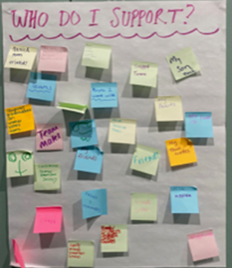 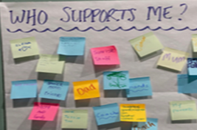 | Strong Messages Station | 2 per athlete 25 markers | source locally or amazon | varies
Signage & Station Supplies
Banners - Strong Minds |  | ensure proper branding (including program name and sponsors) - check with Strong Minds manager | 2 | horizonal banner may be available from SOI OR local printing required Found in Branding Link on SOI Strong Minds Resources Website | varies for location & type
Station Signs |  | required | 1 sign per station | Station Signs | Print locally
Strong Minds Strategies |  | required | 1 per athlete | Strategies | Print locally
Picture boards |  | required | 10 masters | Picture Board | print locally
Calm Water Picture (example) |  | required | 1 | online (e.g amazon) | varies for location & type
Stormy Water Picture (example) |  | required | 1 | online (e.g amazon) | varies for location & type
Expandable Sphere |  | optional | 1 master | online (e.g amazon) | varies for location & type
Strong Minds Activity Guide |  | optional | 1 per athlete | Activity Guide | PNF/Print locally/csm ($2.49)
Stretching Hand-out |  | required | 2 masters | Strecthing Hand-out | Print locally
...

Healthy Hearing
...
Equipment and Supply List 2023
TYMPANOMETRY
PURE TONE SCREENING
PURE TONE THRESHOLD
CHECK OUT

HAS Screening Form (if not using tablets) |  | used to record data for athelete through each station; | 1 per athlete | Local Printing Required Found on SOI HAS Resources Website under Healthy Hearing | varies for local printing and quantity
Test Procedure Instructions | See Healthy Hearing Manuals and Guides | This gives instructions for volunteers at each station | 1 per station | Local Printing Required Found within Manuals & Guides Section of SOI Healthy Hearing Resources Website
Athlete Results/Referrals (hand-out) |  | provides results to athletes with next steps, including reccommended referals. | 1 per athlete | Local Printing Required Found within Guidelines Section of SOI Healthy Hearing Resources Website
Guidelines for Follow-up Recommendations |  | provides guidelines to clinician on possible recommendations based on screening results | 1 per check-out station | Local Printing Required Found within Guidelines Section of SOI Healthy Hearing Resources Website | varies for local printing and quantity
Guidelines for General Advice |  | provides general advice on regular ear and hearing screening | 1 per athlete at check out station | Local Printing Required Found within Guidelines Section of SOI Healthy Hearing Resources Website
Guidelines for Urgent Referrals | 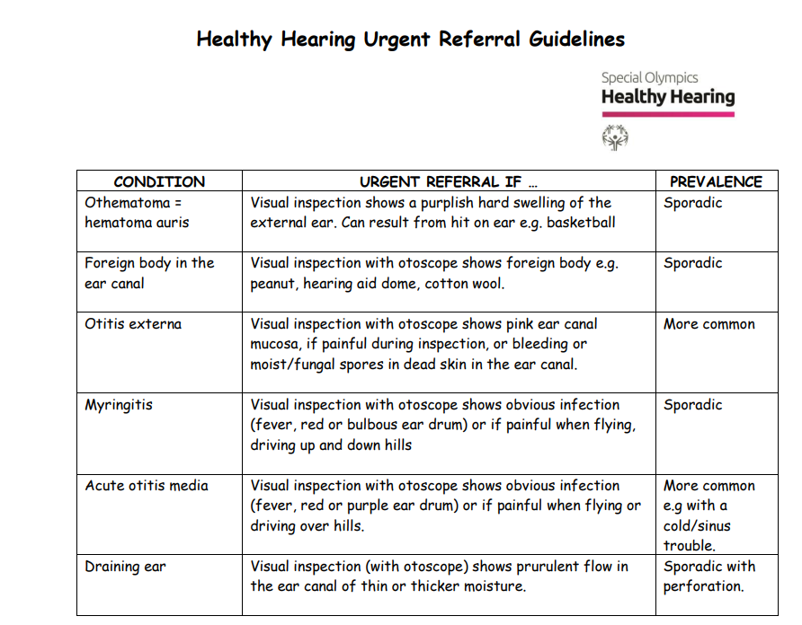 | provides information on when to refer if certain contraindications appear during otoscopy | 1 per otoscopy station | Local Printing Required Found within Guidelines Section of SOI Healthy Hearing Resources Website
Guidelines for PASS |  | provides information on next steps if athlete passes screening | 1 per athlete at check out station if clinically indicated | Local Printing Required Found within Guidelines Section of SOI Healthy Hearing Resources Website | varies for local printing and quantity
Guidelines for NO PASS | 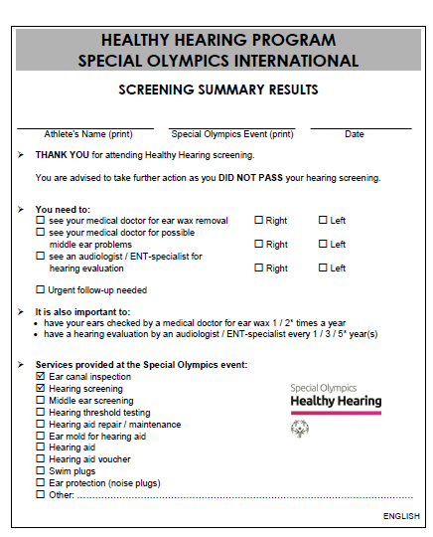 | provides information on next steps if athlete fails screening | 1 per athlete at check out station if clinically indicated | Local Printing Required Found within Guidelines Section of SOI Healthy Hearing Resources Website

General Supplies
Office supplies | suggest having 1 kit of all supplies in box so easy to use from event to event |  |  | local store/online (e.g amazon) | varies
red and blue pens (only needed if no tablet) |  | used to fill out forms (athletes and volunteers) | 24
clipboards (only needed if no tablet) |  | for volunteers/atheletes to complete HAS | 20 per 100 atheletes
stapler & staples / paper clips / post-it notes / paper (A4) |  | to complie all education material for athlete | 1 per education material
tape (packing,masking, ducktape) |  | for hanging signs/packing boxes | 2 roll each
heavy string or zip ties |  | for hanging signs | 1 roll / box
scissors |  | cutting tape and prep of day and 1 for education section for theraband | 2 pair
Hand Santitizer |  | help with hand hygeine between volunteers and atheletes and between stations | 8 ( at least 1 at each station) | local store/online (e.g amazon) | varies
...
Table Cloths |  | used to cover tables in various tables at stations | based on table # | local store/online (e.g amazon) | varies
Otoscopes |  | used to check inside athletes ears | 1-2 per station | online (e.g amazon) | varies
Otoscope Specula (pediatric and adult sizes) |  | end tip of otoscope | 150 (2 different sizes) per 80 athletes | online (e.g amazon) | varies
Spare lamps/light bulbs for specula |  | provides light for the otoscope | based on number of otoscopes | online | varies
Batteries for otoscope |  | used to power otoscope | based on number of otoscopes | online (e.g amazon) | varies
Plastic trays for used tips |  | used to place old tips | 1-2 per station | online (e.g amazon) | varies
OAE units: AuDX I (Bilogic/Natus) |  | used to check inner ear function | 3 per 80 athletes | www.natus.com | varies
Computer cables for AuDX-units |  | used to charge OAE unit | 1 per OAE device | online (e.g amazon) | varies
OAE Foam ear tips for AuDX S/M/L |  | attached to the end of OAE machine | 50 S + 100 M + 50 L =200 Per 80 athletes | online (e.g oaktree, mye3products) | varies
Spare probe body nozzles for AuDX |  | fits on the end of the probe, eartips fit ontop nozzle | 1 bag | online (e.g mye3shop) | varies
Tympanometers | 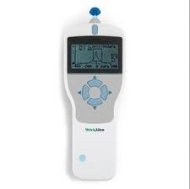 | measures middle ear function | 2 per 80 athletes | online (e.g. Maico, Grason Stadler, interacoustics) | varies
Tympanometer TIps | 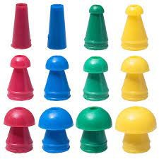 | attaches to end of tymp machine probe | 2 sets of different sizes per 80 athletes | online (e.g. Maico, Grason Stadler, interacoustics) | varies
Spare probe tips and filters for tympanometer (if otowave is used) |  | extras for tympanometer if otowave is used | 2 | online | varies
Spare battiers for tympanometers: Type AA (If otowave is used) |  | used to power otowave tympanometer | 4 per each otowave device | online (e.g amazon) | varies
Screwdriver: cross/phillips head (if otowave is used) |  | used to access battery compartment if otowave tympanometer is used | 1 | online (e.g amazon) | varies
Flexible Needle |  | used to clean probe of tympanometer and OAE devices | 10 | online (e.g amazon) | varies
Ultrasonic cleaning unit | 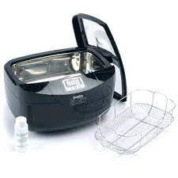 | used to clean tympanometer tips | 1 | online (e.g oaktree) | varies
Hospital grade disinfectant |  | for ultrasonic cleaning unit | depends on size of ultrasonic unit | online (e.g amazon) | varies
Metal or plastic strainer |  | for cleaned tips | 2 | online (e.g amazon) | varies
Sound proof test booth | 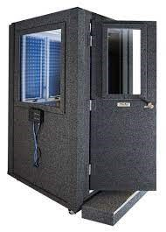 | booth needed for hearing exam | 4 per 80 athletes | online | varies
Audiometers for AC and BC testing and masking | 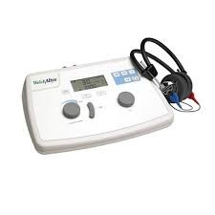 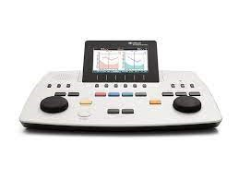 | equipment needed for hearing exam | 4 per 80 athletes | online | varies
Conditioning materials | 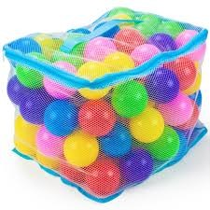 | for play audiometry | 1 basket, 15 soft balls 3 sets per 80 athletes | online (e.g amazon) | varies
Electrical Supplies
Electrical power cords |  | if needed to power equipment | different sizes, with safety (orange) for outdoor use (depends on room layout) 4 x 3 meters / 10 ft and 4 x 5 meters / 16 feet | online (e.g amazon) | varies
Power strips with 4 to 6 grounded receptacles preferable with on-off switch |  | if needed to power equipment |  | online (e.g amazon) | varies
Earwax Removal (OPTIONAL BUT HIGHLY RECOMMENDED)
Electrical power cords |  | if needed to power equipment | different sizes, with safety (orange) for outdoor use (depends on room layout) 4 x 3 meters / 10 ft and 4 x 5 meters / 16 feet | online (e.g amazon) | varies
Illuminated light on headband with lithium battery | 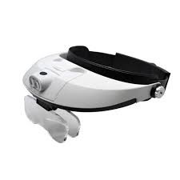 | to better visualize ear canal | 1900-01-01 | online (e.g amazon) | varies
Metal ear specula: 3 different sizes (S/M/L) |  | designed to open up ear canal cavity | 1900-02-19 | online (e.g amazon) | varies
Ear loops: 3 sizes | 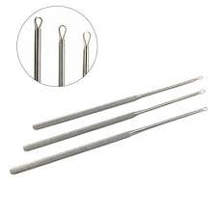 | used to remove earwax | 20 of each size | online (e.g amazon) | varies
Ear hooks: 2 sizes |  | used to remove earwax | 20 of each size | online (e.g amazon) | varies
Micro forceps alligator type |  | used to remove earwax |  | online (e.g amazon) | varies
Kidney shaped plastic trays |  | used to clean earwax removal instruments |  | online (e.g amazon) | varies
Compresses 10x10cm |  | used to disgard cerumen |  | online (e.g amazon) | varies
Chair on wheels |  |  | depends on number of individuals performing cerumen removal | online (e.g amazon) | varies
Cleansing tray (min. 20cm length, 10cm height) |  |  |  | online (e.g amazon) | varies
Disinfectant tray (min. 20cm length, 10cm height) |  |  |  | online (e.g amazon) | varies
Medical alcohol minimum 70% |  |  | amount depends on size of disinfectant tray | online (e.g amazon) | varies

Athlete Educational Giveaway Items These are examples. Work with local companies to see what you might be able to get donated.
...

Special Smiles 23
...
Special Smiles Equipment and Supply List 2022
Special Smiles
Standard Supply Item | Example Picture
Printed Materials
...
Clinical Directors Manual

Oral Health FactSheet
Screening Forms
HAS Screening Manual | 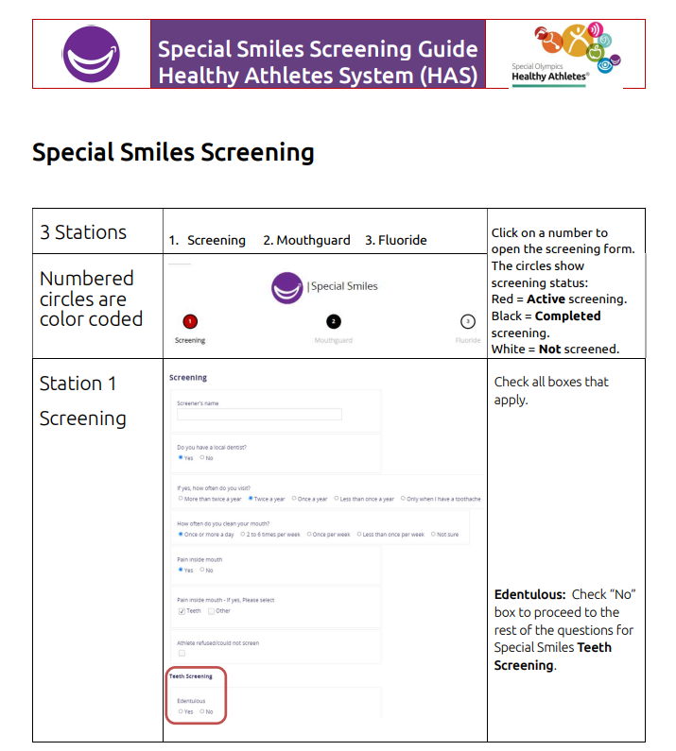
Tablet Troubleshooting Guide
Setting Up Tablet for Wifi

Screening Station Supplies Select Supplies available for US programs through Henry Schein partnership. Contact Health Promotion Manager

Digital scale
Body Mass Index Wheels adult (or use BMI phone app, if WIFI is available)
...

